-Invartm
BARTER 2021 ETE LUNETTES

FOTO | ARTICOLO | LENTE | QNTY | PVC | Valore
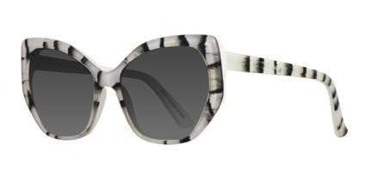 | ALENYA CYGNE | Gray Gradient CAT.2 | 32 | 150.00 € | 4,800.00 €
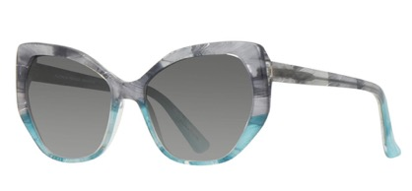 | ALENYA INDIGO | Gray Gradient CAT.2 | 30 | 150.00 € | 4,500.00 €
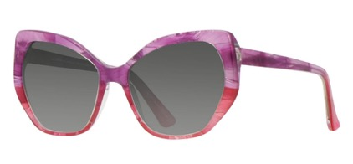 | ALENYA SCARLET | Gray Gradient CAT.2 | 33 | 150.00 € | 4,950.00 €
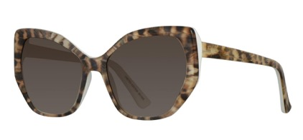 | ALENYA ZIGOLO | Brown Gradient CAT.2 | 10 | 150.00 € | 1,500.00 €
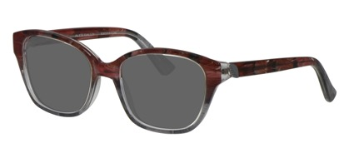 | ALES GALLO | Solid Gray CAT.3 | 8 | 150.00 € | 1,200.00 €
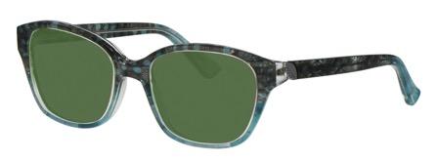 | ALES PAVONE | Solid Green CAT.2 | 8 | 150.00 € | 1,200.00 €
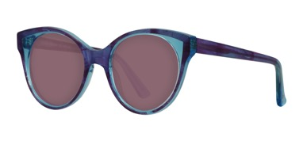 | ASTON INDIGO | Solid Pink CAT.2 | 12 | 150.00 € | 1,800.00 €
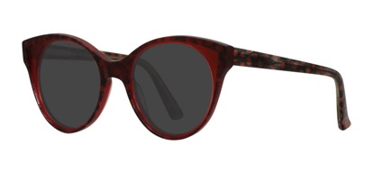 | ASTON MELBA | Solid Gray CAT.3 | 8 | 150.00 € | 1,200.00 €
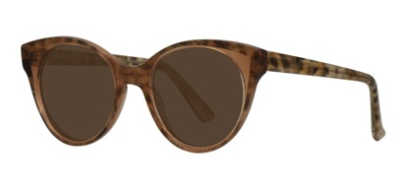 | ASTON ZIGOLO | Solid Brown CAT.3 | 6 | 150.00 € | 900.00 €
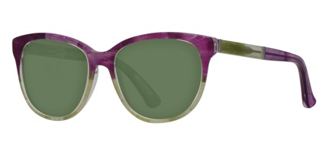 | BANDOL COLIBRI | Solid Green CAT.2 | 18 | 150.00 € | 2,700.00 €
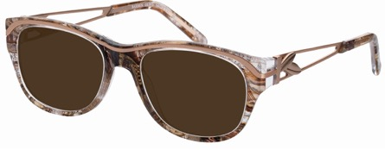 | BARBEN GUFO | Solid Brown CAT.3 | 5 | 150.00 € | 750.00 €
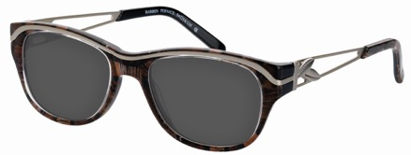 | BARBEN PERNICE | Solid Gray CAT.3 | 12 | 150.00 € | 1,800.00 €
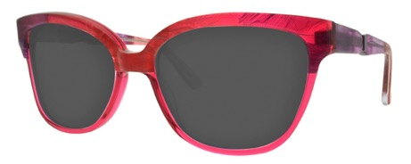 | BOULBON SCARLET | Solid Gray CAT.3 | 11 | 150.00 € | 1,650.00 €
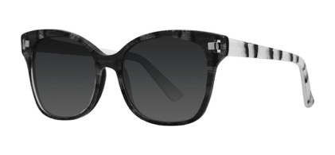 | CLANS CYGNE | Gray Gradient CAT.3 | 50 | 150.00 € | 7,500.00 €
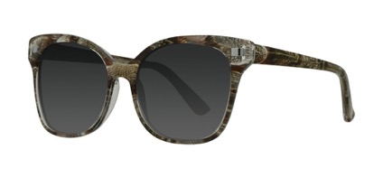 | CLANS GUFO | Gray Gradient CAT.3 | 62 | 150.00 € | 9,300.00 €
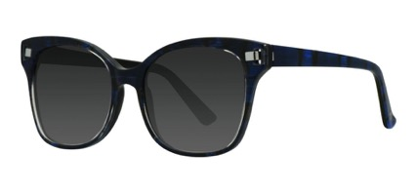 | CLANS MACAO | Gray Gradient CAT.3 | 27 | 150.00 € | 4,050.00 €
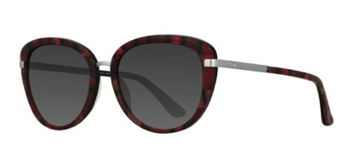 | CUERS CARDINALE | Gray Gradient CAT.2 | 23 | 150.00 € | 3,450.00 €
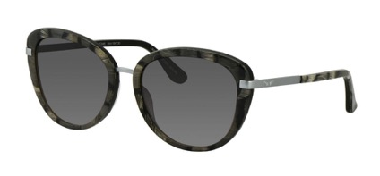 | CUERS CYGNE | Gray Gradient CAT.2 | 7 | 150.00 € | 1,050.00 €
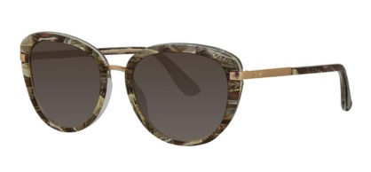 | CUERS GUFO | Brown Gradient CAT.2 | 7 | 150.00 € | 1,050.00 €
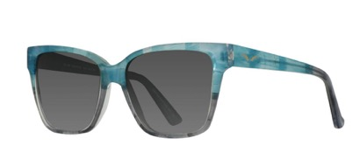 | ELNE INDIGO | Gray Gradient CAT.2 | 11 | 150.00 € | 1,650.00 €
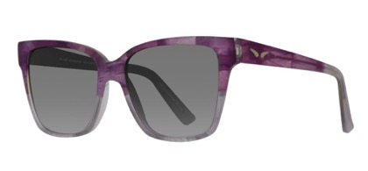 | ELNE RONDINE | Gray Gradient CAT.2 | 6 | 150.00 € | 900.00 €
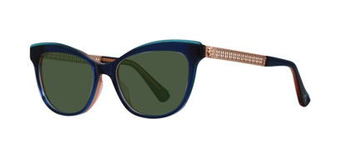 | FIRENZE BLU | Solid Green CAT.2 | 27 | 150.00 € | 4,050.00 €
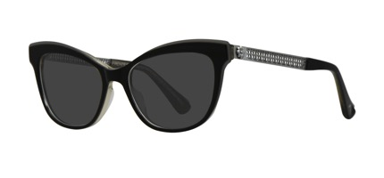 | FIRENZE NERO | Solid Gray CAT.3 | 30 | 150.00 € | 4,500.00 €
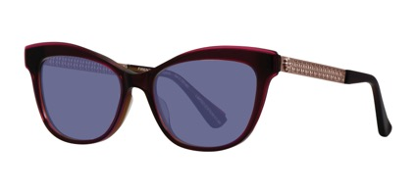 | FIRENZE PRUGNA | Solid Blue CAT.2 | 30 | 150.00 € | 4,500.00 €
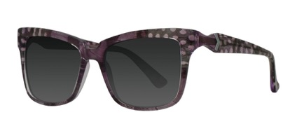 | FONTES FARAONA | Gray Gradient CAT.3 | 41 | 150.00 € | 6,150.00 €
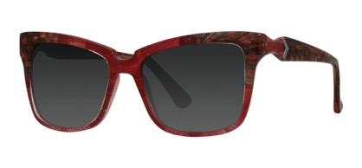 | FONTES MELBA | Gray Gradient CAT.3 | 36 | 150.00 € | 5,400.00 €
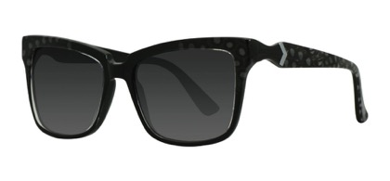 | FONTES NEVE | Gray Gradient CAT.3 | 34 | 150.00 € | 5,100.00 €
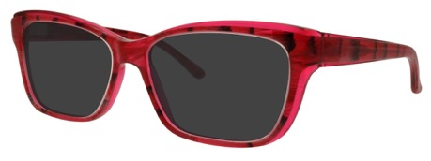 | LAMBESC CARDINALE | Solid Gray CAT.3 | 10 | 150.00 € | 1,500.00 €
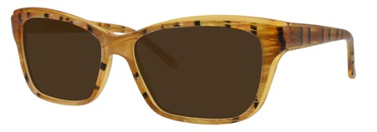 | LAMBESC FAISAN | Solid Brown CAT.3 | 20 | 150.00 € | 3,000.00 €
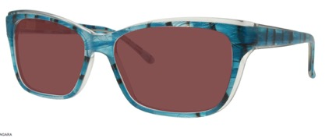 | LAMBESC TANGARA | Solid Pink CAT.2 | 14 | 150.00 € | 2,100.00 €
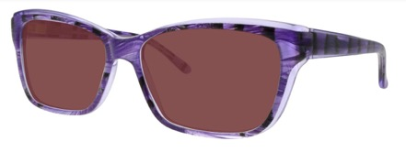 | LAMBESC VIOLETTO | Solid Pink CAT.2 | 17 | 150.00 € | 2,550.00 €
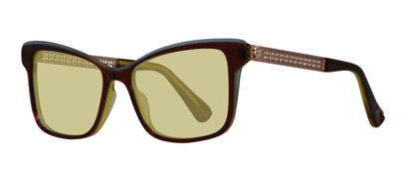 | LIVORNO MARRONE | Solid Yellow CAT.2 | 45 | 150.00 € | 6,750.00 €
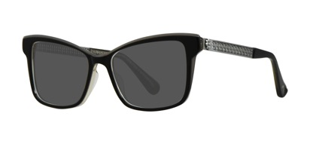 | LIVORNO NERO | Solid Gray CAT.3 | 44 | 150.00 € | 6,600.00 €
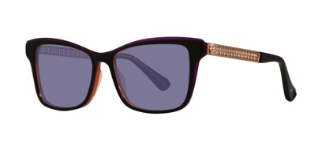 | LIVORNO PRUGNA | Solid Blue CAT.2 | 44 | 150.00 € | 6,600.00 €
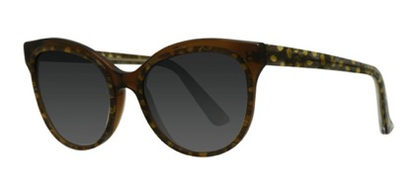 | LUC GERMANO | Gray Gradient CAT.3 | 29 | 150.00 € | 4,350.00 €
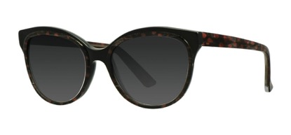 | LUC MELBA | Gray Gradient CAT.3 | 42 | 150.00 € | 6,300.00 €
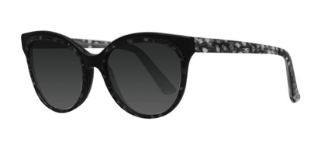 | LUC NEVE | Gray Gradient CAT.3 | 47 | 150.00 € | 7,050.00 €
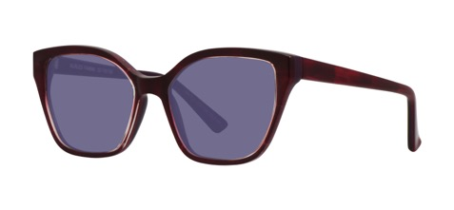 | MURLES FIAMMA | Solid Blue CAT.2 | 55 | 150.00 € | 8,250.00 €
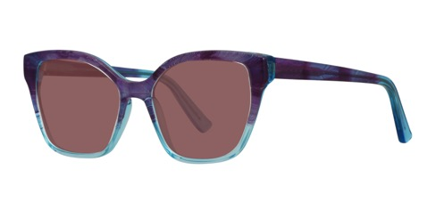 | MURLES INDIGO | Solid Pink CAT.2 | 35 | 150.00 € | 5,250.00 €
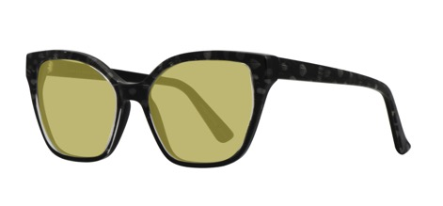 | MURLES NEVE | Solid Yellow CAT.2 | 19 | 150.00 € | 2,850.00 €
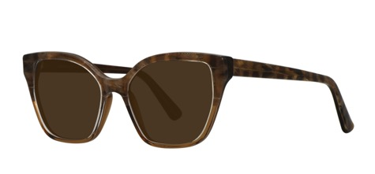 | MURLES ZIGOLO | Solid Brown CAT.3 | 68 | 150.00 € | 10,200.00 €
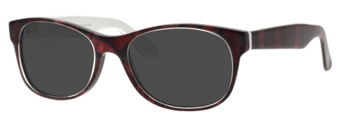 | PACA CARDINALE | Solid Gray CAT.3 | 6 | 150.00 € | 900.00 €
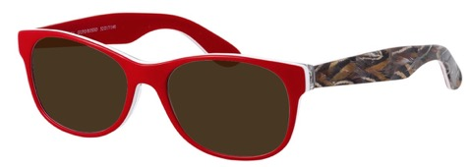 | PACA GUFO/ROSSO | Solid Brown CAT.3 | 14 | 150.00 € | 2,100.00 €
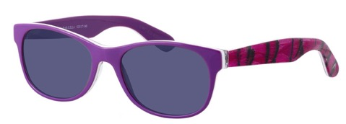 | PACA MALABAR/LILLA | Solid Blue CAT.2 | 12 | 150.00 € | 1,800.00 €
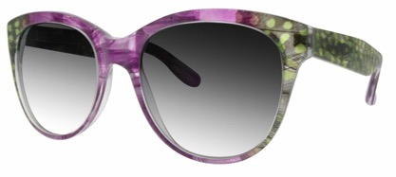 | PALME ANIS | Gray Gradient CAT.2 | 12 | 150.00 € | 1,800.00 €
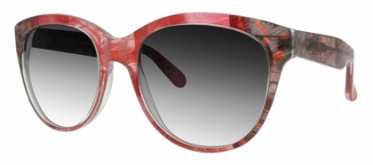 | PALME MELBA | Gray Gradient CAT.2 | 6 | 150.00 € | 900.00 €
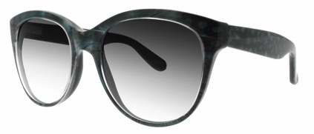 | PALME PAVONE | Gray Gradient CAT.2 | 8 | 150.00 € | 1,200.00 €
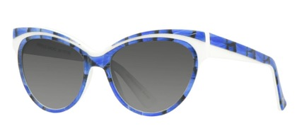 | PEROLS MACAO | Gray Gradient CAT.2 | 23 | 150.00 € | 3,450.00 €
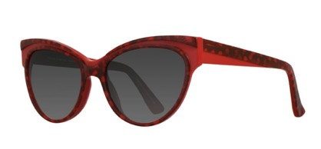 | PEROLS MELBA | Gray Gradient CAT.2 | 5 | 150.00 € | 750.00 €
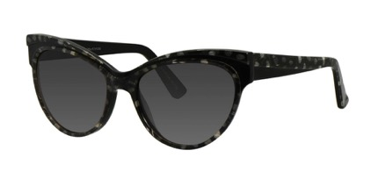 | PEROLS NEVE | Gray Gradient CAT.2 | 8 | 150.00 € | 1,200.00 €
 | TOLLA INDIGO | Gray Gradient CAT.3 | 14 | 150.00 € | 2,100.00 €
 | UTELLE GUFO | Gray Gradient CAT.3 | 24 | 150.00 € | 3,600.00 €
 | UTELLE INDIGO | Gray Gradient CAT.3 | 45 | 150.00 € | 6,750.00 €
 | UTELLE SCARLET | Gray Gradient CAT.3 | 33 | 150.00 € | 4,950.00 €
 | VIAS CARDINALE | Gray Gradient CAT.3 | 18 | 150.00 € | 2,700.00 €
 | VIAS CYGNE | Gray Gradient CAT.3 | 37 | 150.00 € | 5,550.00 €
 | VIAS UPUPA | Gray Gradient CAT.3 | 36 | 150.00 € | 5,400.00 €
 | VIENS APNEA | Solid Gray CAT.3 | 46 | 150.00 € | 6,900.00 €
 | VIENS INDIGO | Solid Pink CAT.2 | 19 | 150.00 € | 2,850.00 €
 | VIENS INTER | Solid Yellow CAT.2 | 17 | 150.00 € | 2,550.00 €
 | VIENS ULMA | Solid Blue CAT.2 | 19 | 150.00 € | 2,850.00 €
 | ZILIA MALABAR | Gray Gradient CAT.3 | 16 | 150.00 € | 2,400.00 €
 | ZILIA TANGARA | Gray Gradient CAT.3 | 15 | 150.00 € | 2,250.00 €
 | Astuccio + micro fibra incluso |  | 1506 |  | 0.00 €
 |  |  | 1506 |  | 225,900.00 €

